SURYA CIPTA NIAGA ABADI (BEEF)
DATE | INV NO. | DESCRIPTIONS | QTY | BILLS | PRICE | TOTAL
2025-11-15 | 0505 | LPG 50KG | 4 | 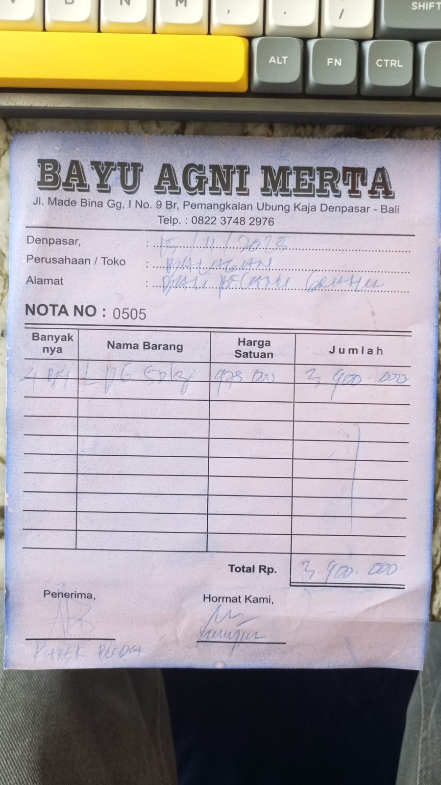 | IDR 975,000 | IDR 3,900,000
TOTAL |  |  |  | Rp3,900,000

